TopTen_DE_Overview
Data for the front view / main mark:
Asmodee Deutschland GmbH
Top Ten (DE)

Art.No.: | COGD0008
Code: | CGTOP01-DE
6 games per outer


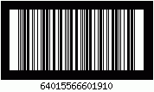

Data for the side mark:
weight of the outer carton: 3.34 kg
size of the outer carton: 30.5 x 21.2 x 16.2 cm
C/NO.: OF
Made in China

Asmodee GmbH, Friedrichstr. 47, 45128 Essen, Germany, www.asmodee.de
Cocktail Games, 2, rue du Hazard, 78000 Versailles, France, www.cocktailgames.com

